README
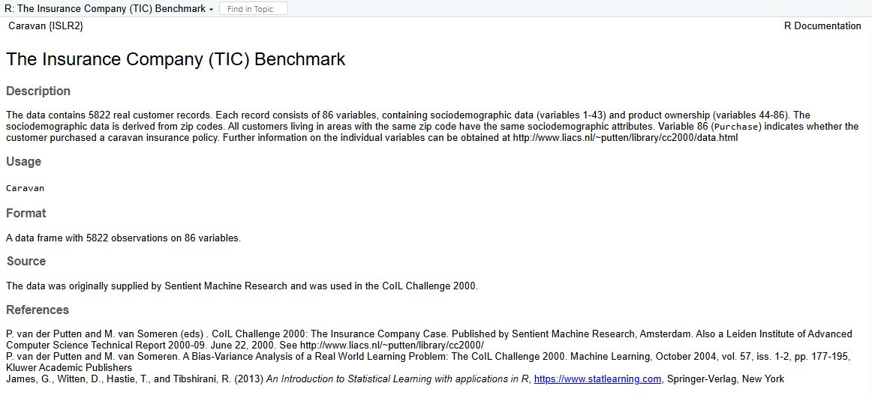
Caravan Insurance Dataset | Keterangan
Dataset | Caravan / The Insurance Company (TIC) Benchmark
Jumlah observasi | 5822
Jumlah variabel | 86
Target | Purchase (No/Yes)
Sumber package R | ISLR2::Caravan
Sumber data | https://raw.githubusercontent.com/arthurcavila/ISLR-Python/master/Caravan.csv
Catatan | Kolom indeks pada CSV sumber tidak disertakan, sehingga sheet Caravan berisi 86 variabel dataset asli.

